Engines
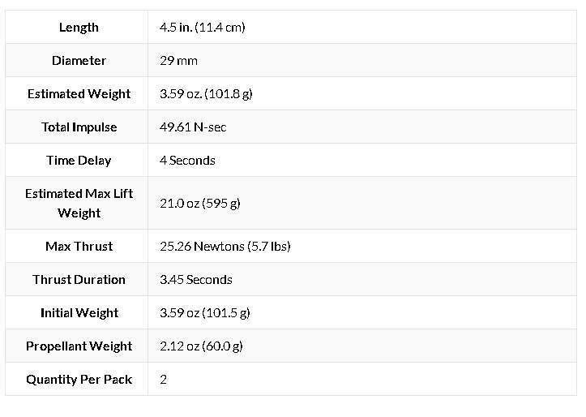
Engines:
ESTES D12-5 |  | Number: | 30.000000 | ESTES F15-4 |  |  | AeroTech H13-P |  |  | ESTES E12-4
Dimensions: |  |  |  | Dimensions: |  |  | Dimensions: |  |  | Dimensions:
 | cm | m |  |  | cm | m |  | cm | m |  | cm | m
Diameter: | 5.250 | 0.053 |  | Diameter: |  | 0.058 | Diameter: |  | 0.029 | Diameter: |  | 0.024
Height: | 7.000 | 0.070 |  | Height: |  | 0.114 | Height: |  | 0.203 | Height: |  | 0.097

Thrust: | 32.900 | N |  | Thrust: | 25.260 | N | Thrust: | 43.500 | N | Thrust: | 30.600 | N
Total Thrust: | 987.000 | N |  | Total Thrust: | 757.800 | N | Total Thrust: | 1,305.000 | N | Total Thrust: | 918.000 | N
Burn Time: | 1.600 | s |  | Burn Time: | 3.450 | s | Burn Time: | 15.200 | s | Burn Time: | 2.700 | s
Dry Mass/u | 0.046 | kg |  | Dry Mass/u | 0.042 | kg | Dry Mass/u | 0.087 | kg | Dry Mass/u | 0.024 | kg
Wet Mass/u | 0.024 | kg |  | Wet Mass/u | 0.060 | kg | Wet Mass/u | 0.116 | kg | Wet Mass/u | 0.061 | kg
Total Mass/u | 0.070 | kg |  | Total Mass/u | 0.102 | kg | Total Mass/u | 0.203 | kg | Total Mass/u | 0.085 | kg
Total Mass: | 2.097 | kg |  | Total Mass: | 3.060 | kg | Total Mass: | 6.102 | kg | Total Mass: | 2.565 | kg
Total Prop Mass | 0.73 | kg |  | Total Prop Mass | 1.80 | kg | Total Prop Mass | 3.49 | kg | Total Prop Mass | 1.84 | kg
Dry Mass: | 2.082 | kg |  | Dry Mass: | 2.042 | kg | Dry Mass: | 2.031 | kg | Dry Mass: | 2.023 | kg
Max Lift Weight/u: | 0.283 | kg |  | Max Lift Weight/u: | 0.595 | kg | Max Lift Weight/u: | 0.595 | kg | Max Lift Weight/u: | 0.482 | kg
Total Max Lift W | 8.490 | kg |  | Total Max Lift W | 17.850 | kg | Total Max Lift W | 17.850 | kg | Total Max Lift W | 0.000 | kg

Mass Struct: | 2.060 | kg |  | Mass Struct: | 2.060 | kg | Mass Struct: | 2.060 | kg | Mass Struct: | 2.060 | kg
 | 2.060 |  |  |  | 2.060 |  |  | 2.060 |  |  | 2.060

Total Initial Mass | 4.157 | kg |  | Total Initial Mass | 5.120 | kg | Total Initial Mass | 8.162 | kg | Total Initial Mass | 4.625 | kg

TWR: | 47.821

Impulse: | 20.000 | N*s |  | Impulse: | 49.610 | N*s | Impulse: | 211.200 | N*s | Impulse: | 30.000 | N*s

Specific Impulse: | 84.245 | s |  | Specific Impulse: | 84.285 |  | Specific Impulse: | 184.957 |  | Specific Impulse: | 49.969

Burn Velocity: | 4.825 | m/s

Speed of Sound: | 343.000 | m/s
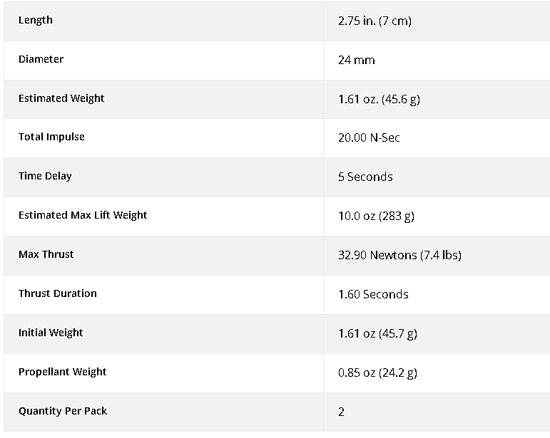
Max Mach | 0.014

